Drugs
Main
 |  |  |  | Indication | Phase | Trial | Readout
 |  |  |  | Spinal Muscular Atrophy | Market | X | X
 | Apetigromab (SRK-015) |  |  | Obesity | 2 | EMBRAZE | Q2 2025

 | Apitegromab (SRK-015) is a fully human anti-proMyostatin monoclonal antibody (mAb) that specifically binds to human pro/latent myostatin, inhibiting myostatin activation.

 | SRK-015 is a fully human anti-proMyostatin monoclonal antibody (mAb) of the immunoglobulin G4 (IgG4)/lambda isotype that binds to human pro/latent myostatin with high affinity

 | It works by binding to and inhibiting promyostatin, a precursor to myostatin, which limits the size of skeletal muscle tissue, as well as inactive myostatin. It does not bind to active myostatin, activin A,
 | active BMP9/10 or TGFβ1 that all operate on the activin type 2 receptors.

 | Genetic inactivation of myostatin signaling in the adult murine heart caused cardiac hypertrophy and heart failure,
 | partially recapitulating effects of the age-dependent decline of the myostatin paralog growth and differentiation factor 11

 | Other Myostatin inhibitors

 | 1. PeptiDream's Oral Myostatin Inhibitors |  | myostatin inhib
 | 2. Regeneron's Trevogrumab |  | myostatin inhib
 | 3. Roche's RG6237 |  | myostatin inhib
 | 4. Eli Lilly's Bimagrumab |  | activin type 2 receptor blocker, including those for myostatin

 | Eli Lilly's Bimagrumab

 | Blocks ActRII, a receptor that binds not only myostatin but also other negative regulators of muscle growth (like activins and GDF11).
 | has shown significant weight reduction (p<0.001, 5.7% body weight reduction placebo-adjusted) in a clinical trial for its efficacy as a treatment for Obesity

 | Activin Receptor Type 2 Inhibitors in comparison to Myostatin Inhibitors

 | Activin E increases adipocyte size, leading to weight gain and increased risk of Obesity, Type 2 Diabetes, Cardiovascular Diseases, highly validated

 | Several ligands that signal through the activin type 2 receptors regulate muscle growth. Myostatin, a TGF-beta superfamily member, is a negative regulator of muscle growth.
 | Myostatin binds to ACVR2B and to a lesser extent ACVR2A. In mice that were ACVR2A −/− (null) mutants there was an increase in all four muscle groups studied
 | (pectoralis, triceps, quadriceps, and gastrocnemious/plantaris muscles). Two of these muscle groups (pectoralis and triceps) were increased in ACVR2B −/− (null) mutants.

 | Rodent Data

 | Study 1: Hypermascular mice had ~50% less weight gain than control mice over the first 8 weeks, during the subsequent 3 months additional weight gain was similar
 | Study 2: The absence of hyperphagia together with increased EE in myostatin-deficient mice suggests that increased leptin sensitivity may contribute to their lean phenotype.
 |  | Indeed, weight loss (KO: −2.2 ± 0.2 g vs. WT: −1.6 ± 0.1, P < 0.05) was increased in myostatin-deficient mice compared with WT controls.
 |  | At age 6–8 wk, myostatin-deficient mice (KO) display increases body weight (KO: 23.6 ± 1.2 g vs. WT: 18.0 ± 1.4 g; n = 4 for each group, P = 0.01)
 | Study 3: Mstn knockout mice have a widespread increase in skeletal muscle mass, leading to a 25–30% increase in overall body weight at 3–6 months of age
 |  | Mice did not continue to gain weight beyond 6 months of age
 | Study 4 (PeptiDream's myostatin inhibitor): Mice receiving the combination of oral peptide myostatin inhibitor with semaglutide showed a significant reduction in body weight compared to controls,
 |  | with weight loss maintained over the study period.
 |  | To this end, peptides from this series were tested in a diet-induced obesity (“DIO”) model where mice were given either a high-fat (60%) diet plus semaglutide (0.12 mg/kg, daily injection),
 |  | or a high-fat diet (60%) plus semaglutide (0.12 mg/kg, daily injection) in combination with PeptiDream’s peptides orally administered (0.5, 1.5, 4.5 mg/kg; daily dose or 3, 10, 30 mg/kg; weekly dose).
 |  | Body weight of the animals was measured every 2 days and Echo MRI was utilized to analyzes changes in both Fat Mass and Lean Body Mass at 14 and 28 days of treatment.
 | Study 5 (IBIO's):

 | Study 6 (pubmed central id PMC8326894):

 | Study 7 (Pfizer's anti-MTSN/GDF-11 monoclonal antibody study in mice - pubmed central id PMC11842502):

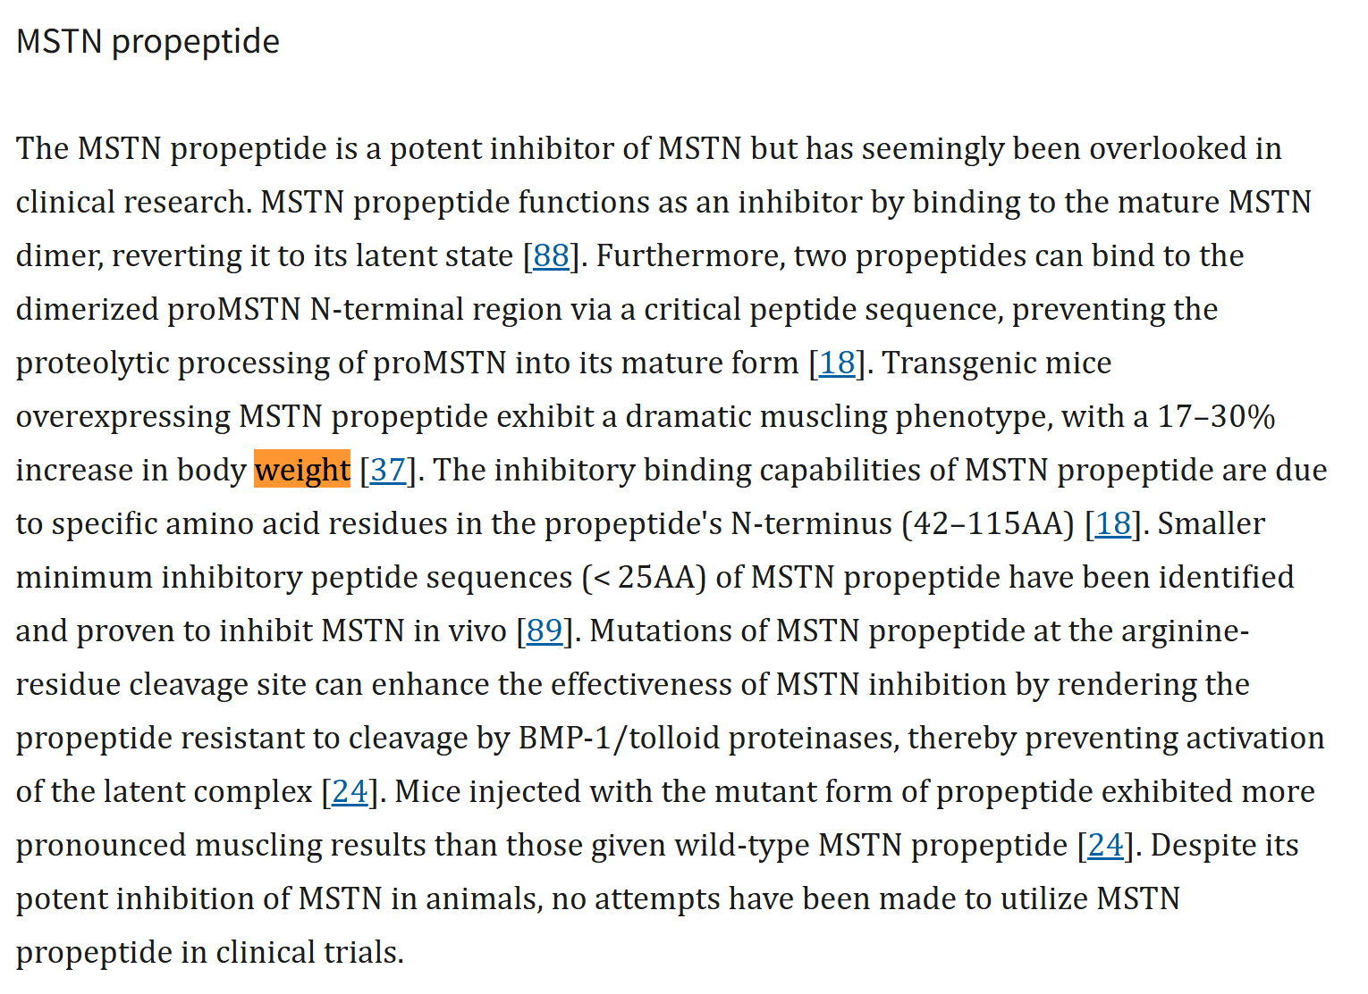

 | Studies also established that myostatin deficiency protects against high-fat diet-induced weight gain

